Leather bags KTD
Leather Bags KTD inspired by Kenzo Takada
Product Description |  |  |  |  |  |  | Quantity (pcs) | RETAIL Unit Price | Master carton
Product EAN Code 13 | Photo | SKU | Product description | Color | Product Dimensions | Composition | 1,187 |  | Quantity per Master carton | EAN Master | Dimensions Carton Out (cm) LxPxh |  |  | Weight Crt (kg) | Cartons / palett | STOCK OFFER
7640182548407 |  | KTD-524PT | Pouch bag | Nude | 28 x 18 x 6 | Tumbled full-grain leather | 104 | 370.00 € | 4 | 7640182548605 | 34 | 24 | 34 | 4 | 40 | 57 EURO
7640182548414 |  | KTD-531.88PT | Shoulder bag | Sand bi color | 21 x 12 x 5 | Tumbled full-grain leather | 29 | 370.00 € | 4 | 7640182548612 | 24 | 19 | 42 | 4 | 60 | 57 EURO
7640182548421 |  | KTD-532 | Mini city bag | Pink | 20 x 12 x 10 | Tumbled full-grain leather |  |  | 4 | 7640182548629 | 30 | 30 | 58 | 4 | 20
7640182548438 |  | KTD-515 | Handbag | Nude bi color | 25 x18 x 9 | Tumbled full-grain leather | 16 | 550.00 € | 4 | 7640182548636 | 31 | 21 | 58 | 5 | 30 | 75 EURO
7640182548469 | 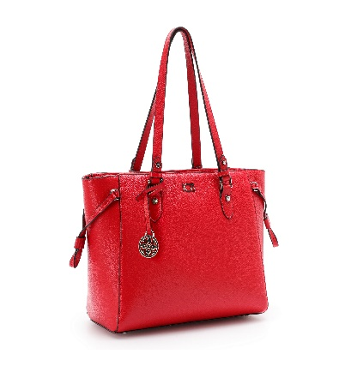 | KTD-536 | Tote bag with zip | Red | 42 x 27 x 15 | Tumbled full-grain leather | 164 | 750.00 € | 4 | 7640182548667 | 47 | 32 | 98 | 12 | 6 | 95 EURO
7640182548476 |  | KTD-1001 | Round bag with shoulder strap | Black | 20 x 20 X 7,5 | Tumbled full-grain leather |  |  | 4 | 7640182548674 | 25 | 25 | 42 | 4 | 36
7640182548506 |  | KTD-902-FLAT | Tote Bag | Iris Fuchsia | 45 x 30 x 12 | Printed cotton canvas & full-grain lether | 160 | 370.00 € | 4 | 7640182548704 | 50 | 37 | 30 | 8 | 24 | 57 EURO
7640182548513 | 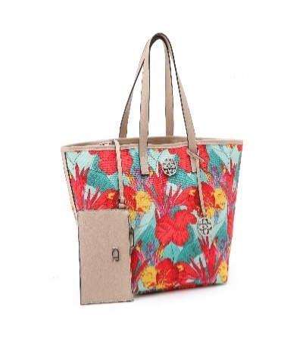 | KTD-903-FLAT | Tote Bag | Iris Turquoise | 45 x 30 x 12 | Printed cotton canvas & full-grain lether | 68 | 370.00 € | 4 | 7640182548711 | 50 | 37 | 30 | 8 | 24 | 57 EURO
7640182548537 | 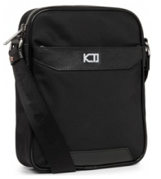 | KTD-700 | Messenger bag | Black | 18 x 22 x 6 | Nylon + tmbled full-grain leather | 270 | 290.00 € | 4 | 7640182548735 | 23 | 30 | 44 | 5 | 36 | 49 EURO
7640182548544 | 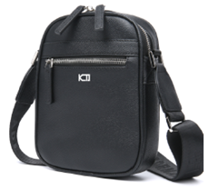 | KTD-801 | Messenger bag | Black | 16,5 x 20 x 4,5 | Tmbled full-grain leather | 376 | 330.00 € | 4 | 7640182548742 | 24 | 26 | 44 | 5 | 45 | 53 EURO
 |  |  |  |  |  |  | 1187

